Data Prioritized
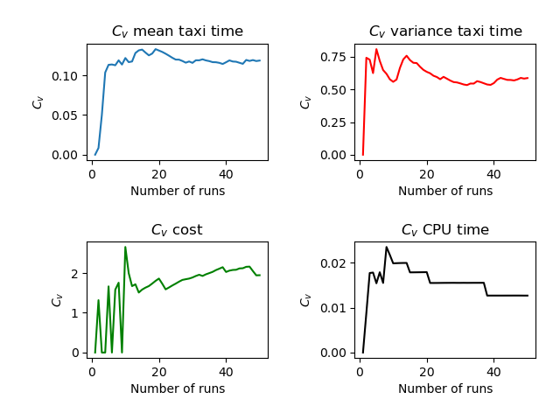
Run | Number of Aircraft | Maximum Spawn Time | Mean Taxitime | Variance Taxitime | Variance Cost | CPU Time
1 | 4 | 5 | 7.375 | 0.922 | 0.047 | 3.643
2 | 4 | 5 | 7.5 | 6.25 | 0 | 3.575
3 | 4 | 5 | 8.25 | 2.188 | 0 | 3.498
4 | 4 | 5 | 9.5 | 6.75 | 0 | 3.493
5 | 4 | 5 | 9.625 | 0.422 | 0.047 | 3.55
6 | 4 | 5 | 7.5 | 7.25 | 0 | 3.467
7 | 4 | 5 | 9.375 | 4.922 | 0.047 | 3.529
8 | 4 | 5 | 10 | 3.5 | 0 | 3.728
9 | 4 | 5 | 8.25 | 6.688 | 0 | 3.591
10 | 4 | 5 | 10.375 | 3.672 | 1.172 | 3.535
11 | 4 | 5 | 9.25 | 2.188 | 0.75 | 3.487
12 | 4 | 5 | 10.125 | 12.047 | 0.797 | 3.496
13 | 4 | 5 | 11.125 | 0.547 | 0.047 | 3.512
14 | 4 | 5 | 10.875 | 1.547 | 0.797 | 3.527
15 | 4 | 5 | 8 | 5 | 0 | 3.507
16 | 4 | 5 | 8.875 | 4.047 | 0.047 | 3.531
17 | 4 | 5 | 8.875 | 2.797 | 0.047 | 3.51
18 | 4 | 5 | 7.75 | 5.688 | 0 | 3.497
19 | 4 | 5 | 7.25 | 5.188 | 0 | 3.515
20 | 4 | 5 | 8.25 | 8.188 | 0 | 3.497
21 | 4 | 5 | 9.875 | 8.797 | 0.422 | 3.563
22 | 4 | 5 | 8.5 | 7.25 | 0.75 | 3.565
23 | 4 | 5 | 9.5 | 4.25 | 0 | 3.501
24 | 4 | 5 | 9 | 6.5 | 0 | 3.487
25 | 4 | 5 | 8.75 | 1.688 | 0 | 3.5
26 | 4 | 5 | 8 | 7.5 | 0 | 3.505
27 | 4 | 5 | 8.5 | 6.75 | 0 | 3.507
28 | 4 | 5 | 9.125 | 5.297 | 0.047 | 3.492
29 | 4 | 5 | 7.625 | 3.672 | 0.047 | 3.595
30 | 4 | 5 | 8.625 | 4.422 | 0.047 | 3.537
31 | 4 | 5 | 7.25 | 4.688 | 0 | 3.472
32 | 4 | 5 | 10 | 4 | 0 | 3.577
33 | 4 | 5 | 10.375 | 1.922 | 0.172 | 3.512
34 | 4 | 5 | 8.5 | 3.25 | 0 | 3.497
35 | 4 | 5 | 9.75 | 1.188 | 0 | 3.512
36 | 4 | 5 | 8.5 | 4.25 | 0 | 3.499
37 | 4 | 5 | 8 | 6.5 | 0 | 3.504
38 | 4 | 5 | 8.25 | 5.688 | 0 | 3.499
39 | 4 | 5 | 9.25 | 3.688 | 0 | 3.508
40 | 4 | 5 | 10.625 | 1.422 | 0.422 | 3.529
41 | 4 | 5 | 10.75 | 0.188 | 0 | 3.517
42 | 4 | 5 | 8.875 | 1.297 | 0.047 | 3.511
43 | 4 | 5 | 8.125 | 7.047 | 0.047 | 3.525
44 | 4 | 5 | 9.25 | 4.688 | 0 | 3.515
45 | 4 | 5 | 9.125 | 3.047 | 0.047 | 3.509
46 | 4 | 5 | 6.75 | 3.688 | 0 | 3.484
47 | 4 | 5 | 9.125 | 1.797 | 0.047 | 3.501
48 | 4 | 5 | 10.5 | 1.25 | 0.75 | 3.61
49 | 4 | 5 | 9 | 7.5 | 0.75 | 3.604
50 | 4 | 5 | 10.375 | 2.172 | 0.047 | 3.509
 |  |  | 8.96 | 4.30394 | 0.1488 | 3.52668

